Sheet1
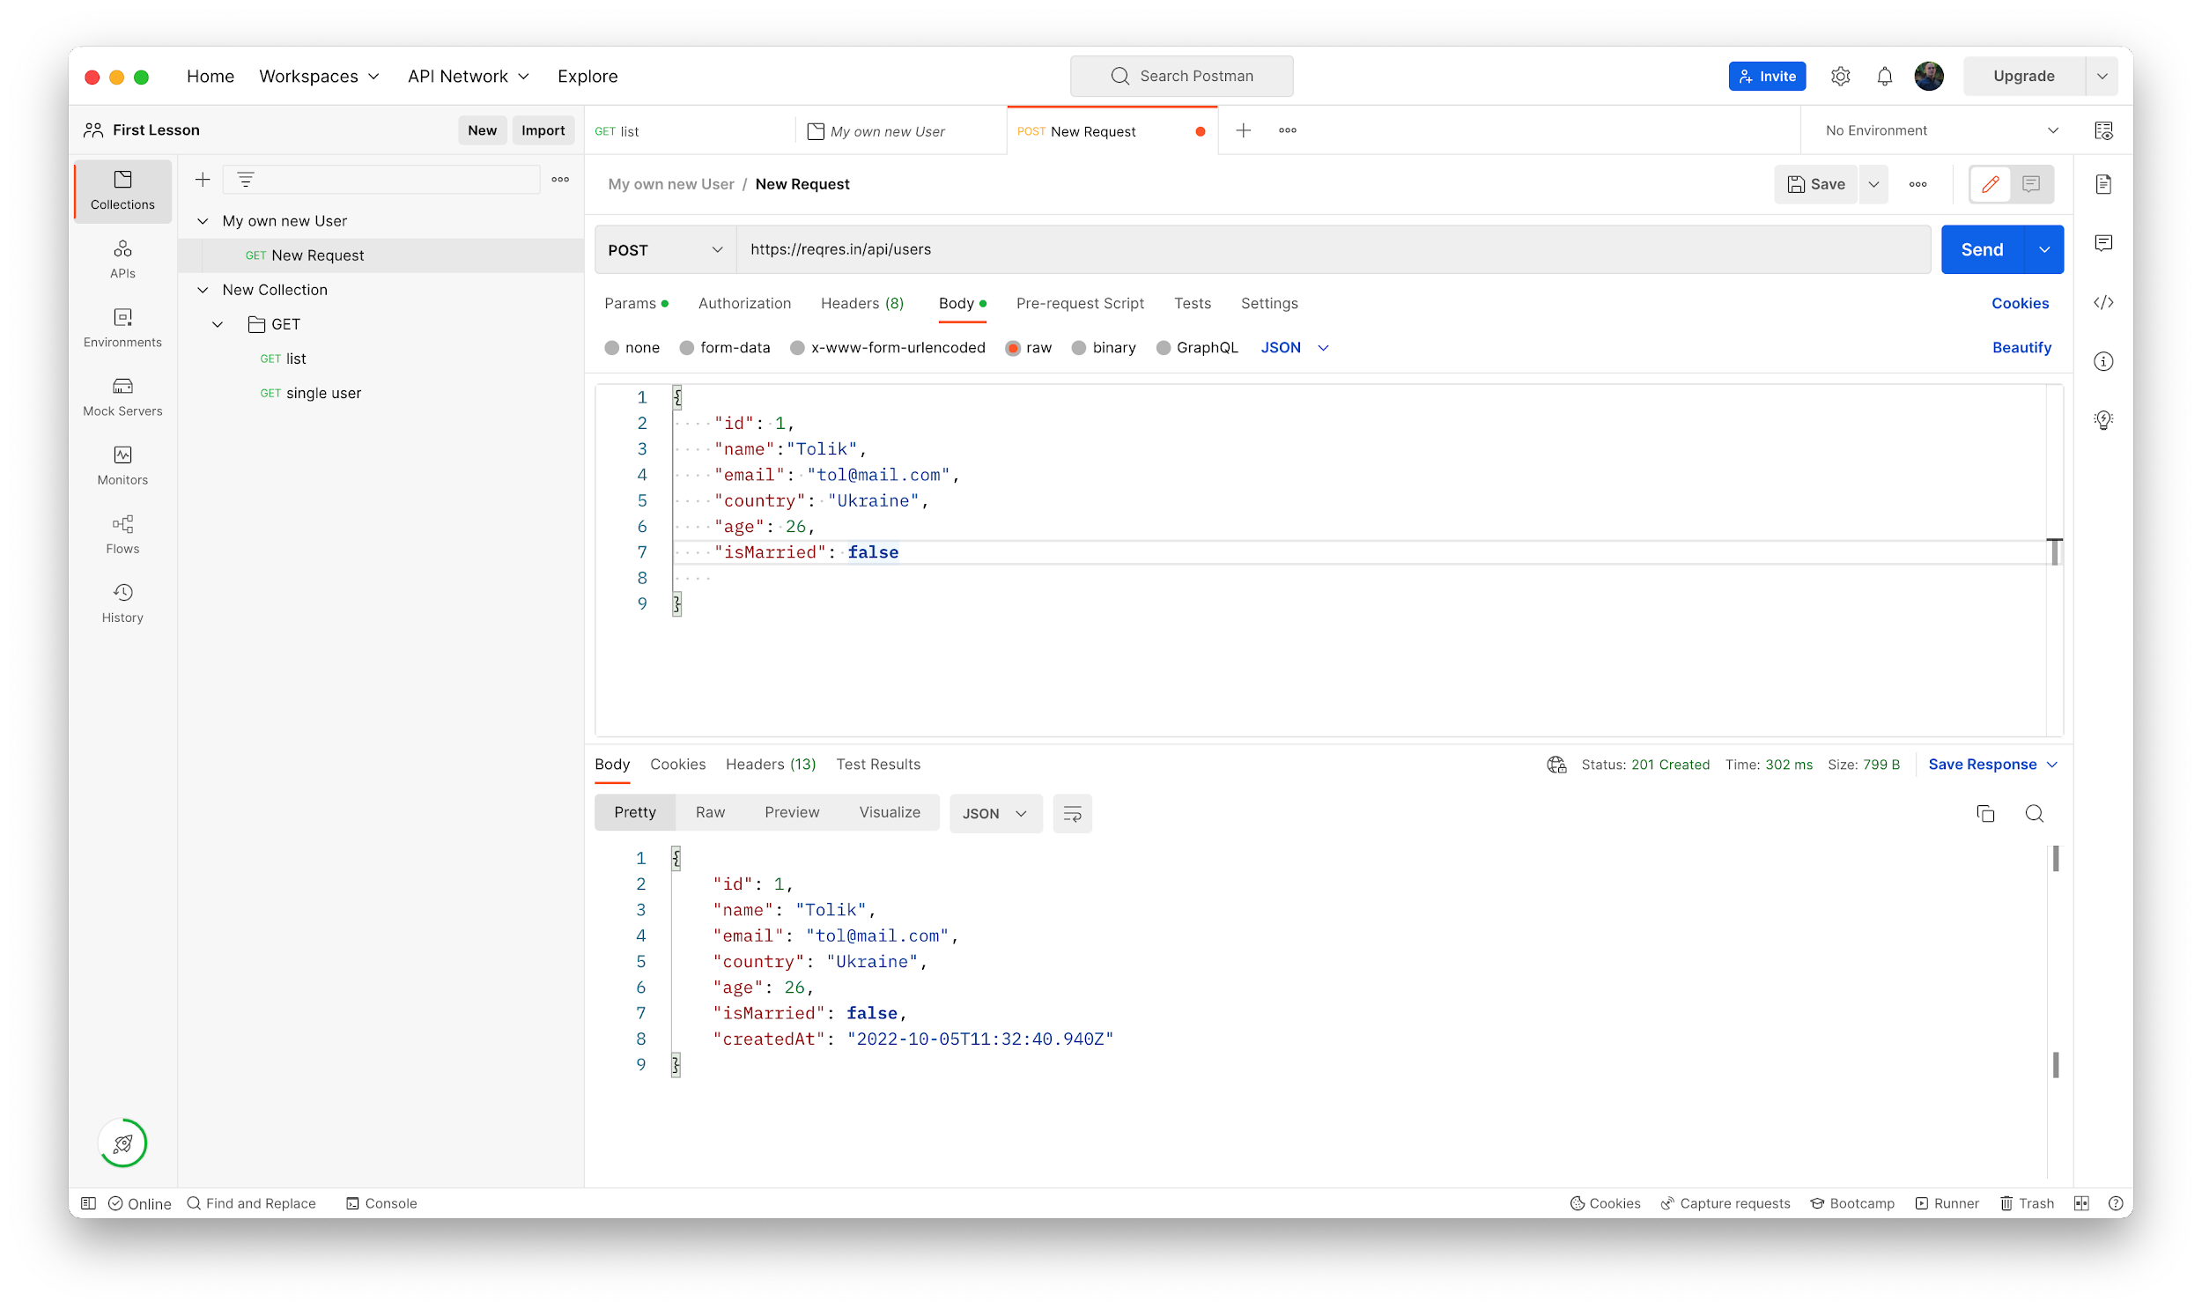
Test Case ID: 1 |  | Test Case Name: Positive Scenarios Creating a new User 201 code | Status:New

Test Type: POST Requests |  | Author:Mishyn Danil | Creation Date: 05.10.22
Priority: High
Precondition: 1.Open the postman 2.Sing in the Postman |  |  | Data Test "id": 1, "name":"?", "email": "?", "country": "?", "age": ?, "isMarried": ? (boolean)
# | Test Steps | Expected Result | Pass/Fail
1 | Create a new Collection "My own a new user" | Created new collection | pass
2 | Create new request | created new request | pass
3 | change "get" method to "Post"method | method was changed and displayed | pass
4 | Enter URL in requst's field | The URL is displayed | pass
5 | go to senttings and turn off "SSL" | The SSL is off | pass
6 | Click "Body > x-www-form-urlencoded" | Body > x-www-form-urlencoded is open | pass
7 | enter data in "key"and"value" field (Data are on technical order) | Entered the data | pass
8 | click SEND | New User was created (code 201 ) | pass

